Main

 | NVDA
 | Price | 176.96 | 8/27/2025
 | SC | 24,300 | Q2'25
 | MC | 4,300,128
 | Cash | 56,791 | Q2'25
 | Debt | 8,466 | Q2'25
 | EV | 4,251,803

 | NVIDIA
 |  |  |  |  |  |  |  |  | SEC filings |  | https://www.sec.gov/edgar/browse/?CIK=1045810&owner=exclude
 | Founder(s): Jensen Huang , Chris Malachowsky, Curtis Priem |  |  |  | Registered Exchange: NASDAQ |  |  |  | NVIDIA Homepage |  | https://www.nvidia.com/en-us/
 | Founded: 1993 |  |  |  | Address: | 2788 San Tomas Expressway Santa Clara, CA 95051 US |  |  |  | IR Homepage |  | https://investor.nvidia.com/home/default.aspx
 | Headquartered: Santa Clara, CA |  |  |  | Investor Relations Contact: |  |  |  |  | IR FAQs |  | https://investor.nvidia.com/investor-resources/faqs/default.aspx
 | Current CEO: Jensen Huang |  |  |  | Investors Relation Department |  |  |  | Earnings Calls |  | https://seekingalpha.com/symbol/NVDA/earnings/transcripts
 | Employees: 36,000 |  |  |  | Phone: |  | Email: | ir@nvidia.com | Equity Analysis |  | https://stockanalysis.com/stocks/nvda/company/
 | Industry: Semiconductors |  |  |  |  |  |  |  | MacroTrends |  | https://www.macrotrends.net/stocks/charts/NVDA/nvidia/income-statement?freq=Q
 | Sector: Technology |  |  |  |  |  |  |  | ROIC/WACC |  | https://www.gurufocus.com/term/wacc/NVDA
 | IPO: Jan 22, 1999 |  |  |  |  |  |  |  | Godel Terminal |  | https://app.godelterminal.com/

Company Overview:
 | NVIDIA Corporation (NVDA) is the defining force behind today's AI revolution, serving as the critical infrastructure provider for accelerated computing across industries
 |  | The Company has evolved far beyond its gaming GPU roots (meme in notes) to become the backbone of artificial intelligence development, offering an unmatched ecosystem of hardware and software solutions that power everything from generative AI to autonomous vehicles (more than just TSLA's too) + beginning murmurs around robotics
 |  | NVIDIA's platform combines industry-leading graphics processing units (GPUs) with a comprehensive software stack, creating a virtuous cycle where its CUDA architecture and developer tools reinforce its technological dominance (CUDA is the differentiating moat)
 |  |  | The Company's full-stack includes the foundational CUDA programming model that runs on all NVIDIA GPUs, as well as hundreds of domain-specific software libraries, software development kits, or SDKs, and Application Programming Interfaces, or APIs
 |  |  | This deep and broad software stack accelerates the performance and eases the deployment of NVIDIA accelerated computing for computationally intensive workloads such as artificial intelligence, or AI, model training and inference, data analytics, scientific computing, and 3D graphics, with vertical-specific optimizations to address industries ranging from healthcare and telecom to automotive and manufacturing
 |  | The Company operates at the center of multiple megatrends - artificial intelligence, cloud computing, robotics, and the metaverse - making its technology indispensable for tech giants, startups, and enterprises alike
 |  |  | Biggest beneficiary of the largest CapEx investment cycle in all of human history (routed through one single company)
 | NVIDIA's data center solutions have become the gold standard for AI training and inference, while its expansion into networking, edge computing, and specialized industry applications demonstrates remarkable horizontal growth potential
 |  | The company maintains its leadership through relentless innovation, having consistently anticipated and shaped computing paradigm shifts from graphics processing to deep learning
 |  |  | NVDA employee's stuck with golden shackles … I wonder if managers will get lazy from too much comp, but it seems their bi-annual realeases have continued with incredible leaps in technological capabilities
 | With a robust ecosystem of developers and partners, NVIDIA has created significant switching costs that protect its competitive position
 |  | Its full-stack approach - spanning chips, systems, software, and services - allows it to capture value across the entire AI value chain while enabling customization for diverse vertical markets
 |  | As computing demands grow increasingly complex and AI becomes more pervasive, NVIDIA's architecture-agnostic platform positions it as the essential enabler of next-generation technological advancements across virtually every sector of the global economy
 |  | The company's ability to continually reinvent itself while maintaining technological leadership makes it a unique investment proposition in the semiconductor space

Business Segments and Geographical Info:
 | The Company reports it's business in two segments
 |  | Compute & Networking:
 |  |  | The Compute & Networking segment includes our Data Center accelerated computing platforms and AI solutions and software; networking; automotive platforms and autonomous and electric vehicle solutions; Jetson for robotics and other embedded platforms; and DGX Cloud computing services
 |  | Graphics:
 |  |  | The Graphics segment includes GeForce GPUs for gaming and PCs, the GeForce NOW game streaming service and related infrastructure, and solutions for gaming platforms; Quadro/NVIDIA RTX GPUs for enterprise workstation graphics; virtual GPU, or vGPU, software for cloud-based visual and virtual computing; automotive platforms for infotainment systems; and Omniverse Enterprise software for building and operating industrial AI and digital twin applications
 | The Company specializes in markets where computing platforms can provide tremendous acceleration for applications. These platforms incorporate processors, interconnects, software, algorithms, systems, and services to deliver unique value
 |  | The Company's platforms address four large markets where our expertise is critical: Data Center, Gaming, Professional Visualization, and Automotive

 | Data Center:
 |  | The NVIDIA Data Center platform is focused on accelerating the most compute-intensive workloads, such as AI, data analytics, graphics, and scientific computing, delivering significantly better performance and power efficiency relative to conventional CPU-only approaches
 |  |  | It is deployed in cloud, hyperscale, on-premises and edge data centers. The platform consists of compute and networking offerings typically delivered to customers as systems, subsystems, or modules, along with software and services
 |  | Our compute offerings include supercomputing platforms and servers, bringing together our energy efficient GPUs, CPUs, interconnects, and fully optimized AI and HPC software stacks
 |  |  | In addition, they include NVIDIA AI Enterprise software; our DGX Cloud service; and a growing body of acceleration libraries, APIs, SDKs, and domain-specific application frameworks
 |  | Our networking offerings include end-to-end platforms for InfiniBand and Ethernet, consisting of network adapters, cables, DPUs, switch chips and systems, as well as a full software stack
 |  |  | This has enabled us to architect data center-scale computing platforms that can interconnect thousands of compute nodes with high-performance networking
 |  |  | While historically the server was the unit of computing, as AI and HPC workloads have become extremely large spanning thousands of compute nodes, the data center has become the new unit of computing, with networking as an integral part
 |  | Our customers include the world’s leading public cloud and consumer internet companies, thousands of enterprises and startups, and public sector entities
 |  |  | We work with industry leaders to help build or transform their applications and data center infrastructure
 |  |  | Our direct customers include original equipment manufacturers, or OEMs, original device manufacturers, or ODMs, system integrators and distributors which we partner with to help bring our products to market
 |  |  | We also have partnerships in automotive, healthcare, financial services, manufacturing, retail, and technology among others, to accelerate the adoption of AI
 |  | At the foundation of the NVIDIA accelerated computing platform are our GPUs, which excel at parallel workloads such as the training and inferencing of neural networks
 |  |  | They are available in the NVIDIA accelerated computing platform and in industry standard servers from every major cloud provider and server maker
 |  |  | Beyond GPUs, our data center platform expanded to include DPUs in fiscal year 2022 and CPUs in fiscal year 2024
 |  |  |  | What??? I didn’t know NVDA designed CPU's as well
 |  |  | We can optimize across the entire computing, networking and storage stack to deliver data center-scale computing solutions
 |  | While our approach starts with powerful chips, what makes it a full-stack computing platform is our large body of software, including the CUDA parallel programming model, the CUDA-X collection of acceleration libraries, APIs, SDKs, and domain-specific application frameworks
 |  | In addition to software delivered to customers as an integral part of our data center computing platform, we offer paid licenses to NVIDIA AI Enterprise, a comprehensive suite of enterprise-grade AI software and NVIDIA vGPU software for graphics-rich virtual desktops and workstations
 |  |  | We also offer the NVIDIA DGX Cloud, a fully managed AI-training-as-a-service platform which includes cloud-based infrastructure and software for AI, customizable pretrained AI models, and access to NVIDIA experts
 |  | In fiscal year 2025, we launched the NVIDIA Blackwell architecture, a full set of data center scale infrastructure that includes GPUs, CPUs, DPUs, interconnects, switch chips and systems, and networking adapters
 |  |  | Blackwell excels at processing cutting edge generative AI and accelerated computing workloads with market leading performance and efficiency. Offered in a number of configurations, it can address the needs of customers across industries and a diverse set of AI and accelerated computing use cases
 | Gaming:
 |  | Gaming is the largest entertainment industry, with PC gaming as the predominant platform
 |  |  | Many factors propel its growth, including new high production value games and franchises, the continued rise of competitive gaming, or eSports, social connectivity and the increasing popularity of game streamers, modders, or gamers who remaster games, and creators
 |  | Our gaming platforms leverage our GPUs and sophisticated software to enhance the gaming experience with smoother, higher quality graphics
 |  |  | We developed NVIDIA RTX to bring next generation graphics and AI to games
 |  |  | NVIDIA RTX features ray tracing technology for real-time, cinematic-quality rendering. Ray tracing, which has long been used for special effects in the movie industry, is a computationally intensive technique that simulates the physical behavior of light to achieve greater realism in computer-generated scenes
 |  |  |  | It's crazy … This was all the rage back in 2019 … 5 years later and it's monkey tech ... Gamer's funded the AI revolution -> |  |  |  |  |  |  | https://www.youtube.com/watch?v=91kxRGeg9wQ
 |  |  | NVIDIA RTX also features deep learning super sampling, or NVIDIA DLSS, our AI technology that boosts frame rates while generating beautiful, sharp images for games. RTX GPUs will also accelerate a new generation of AI applications
 |  |  | With an installed base of over 100 million AI capable PCs, more than 700 RTX AI-enabled applications and games, and a robust suite of development tools, RTX is already the AI PC leader
 |  | Our products for the gaming market include GeForce RTX and GeForce GTX GPUs for gaming desktop and laptop PCs, GeForce NOW cloud gaming for playing PC games on underpowered devices, as well as SoCs and development services for game consoles
 |  | In fiscal year 2025, we launched the NVIDIA Blackwell GeForce RTX 50 Series family of desktop and laptop GPUs
 |  |  | The Blackwell architecture introduced neural graphics which combines AI models with traditional rendering to unlock a new era of graphics innovation
 |  |  | The RTX 50 Series also features the next generation of our DLSS technology powered for the first time by a transformer model architecture. Together these technologies help deliver up to a 2x leap in performance and stunning visual realism for PC gamers, developers, and creatives
 | Professional Visualization:
 |  | We serve the Professional Visualization market by working closely with independent software vendors, or ISVs, to optimize their offerings for NVIDIA GPUs
 |  |  | Our GPU computing platform enhances productivity and introduces new capabilities for critical workflows in many fields, such as design and manufacturing and digital content creation
 |  |  | Design and manufacturing encompass computer-aided design, architectural design, consumer-products manufacturing, medical instrumentation, and aerospace
 |  |  | Digital content creation includes professional video editing and post-production, special effects for films, and broadcast-television graphics
 |  |  | Additionally, the infusion of generative AI into an increasing number of applications is giving rise to the need for the enhanced AI processing capabilities of our RTX GPUs
 |  | The NVIDIA RTX platform makes it possible to render film-quality, photorealistic objects and environments with physically accurate shadows, reflections and refractions using ray tracing in real-time
 |  |  | Many leading 3D design and content creation applications developed by our ecosystem partners now support RTX, allowing professionals to accelerate and transform their workflows with NVIDIA RTX GPUs and software
 |  | We offer NVIDIA Omniverse as a development platform and operating system for building and running virtual world simulation applications, available as a software subscription for enterprise use and free for individual use
 |  |  | Industrial enterprises are adopting Omniverse’s 3D and simulation technologies to digitalize their complex physical assets, processes, and environments – building digital twins of factories, real time 3D product configurators, testing and validating autonomous robots and vehicles, powered by NVIDIA accelerated computing infrastructure on-premises and in the cloud
 | Automotive:
 |  | Automotive is comprised of platform solutions for automated driving from the cloud to the car
 |  |  | Leveraging our technology leadership in AI and building on our long-standing automotive relationships, we are delivering a complete end-to-end solution for the AV market under the DRIVE Hyperion brand. We have demonstrated multiple applications of AI within the car: AI can drive the car itself as a pilot in fully autonomous mode or it can also be a co-pilot, assisting the human driver while creating a safer driving experience
 |  | We are working with several hundred partners in the automotive ecosystem including automakers, truck makers, tier-one suppliers, sensor manufacturers, automotive research institutions, HD mapping companies, and startups to develop and deploy AI systems for self-driving vehicles
 |  |  | Our unified AI computing architecture starts with training deep neural networks using our Data Center computing solutions, and then running a full perception, fusion, planning, and control stack within the vehicle on the NVIDIA DRIVE Hyperion platform
 |  |  | DRIVE Hyperion consists of the high-performance, energy efficient DRIVE AGX computing hardware running an in-vehicle operating system (DRIVE OS), a reference sensor set that supports full self-driving capability as well as an open, modular DRIVE software platform for autonomous driving, mapping, and parking services, and intelligent in-vehicle experiences
 |  | In addition, we offer a scalable data center-based simulation solution based on NVIDIA Omniverse software to develop synthetic data for AI model training, as well as for testing and validating a self-driving platform
 |  |  | Our unique end-to-end, software-defined approach is designed for continuous innovation and continuous development, enabling cars to receive over-the-air updates to add new features and capabilities throughout the life of a vehicle

Notes | Quant Analysis
 |  |  |  |  |  |  |  |  |  | 0
Employee Scope: |  |  |  |  |  |  |  |  | General Notes/Observations (Updated Q1'25)
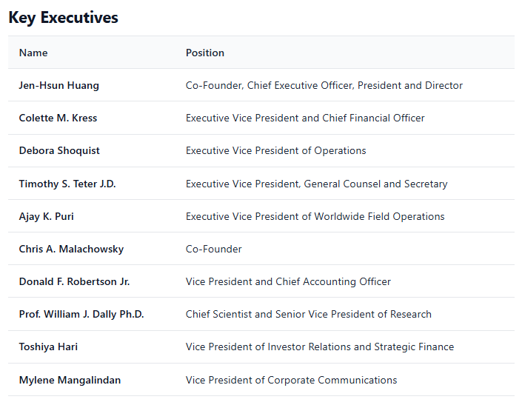
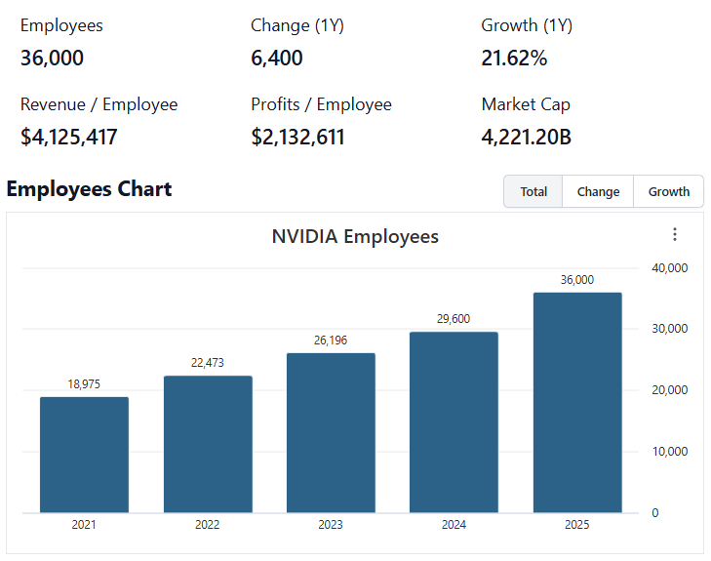
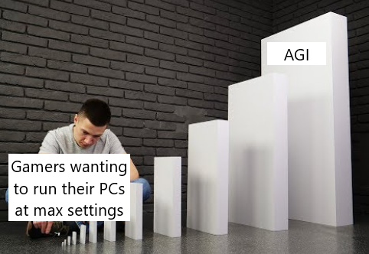

 | Notes: | [X]
 |  | [Y]
 |  | [Z]

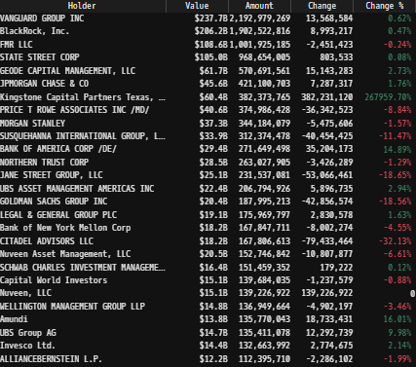
Institutional Ownership Snapshot (4/14/2025) |  |  |  |  |  |  |  |  | Financial Stmts. Notes/Observations (Updated Q1'25)
 |  |  |  |  |  |  |  |  | Revenues:
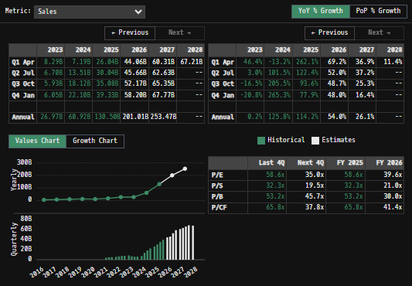

 | Notes: | [X]
 |  | [Y]
 |  | [Z]

Revenue Breakdown by Segment
(NVDA) Revenue by Segment (in $ millions)
 | Professional Visualization | Automotive | OEM & Other | Gaming | Data Center
Q1 2018 | 701 | 145 | 387 | 251 | 1723
 | 760 | 161 | 116 | 281 | 1805
 | 792 | 172 | 148 | 305 | 1764
 | 679 | 163 | 116 | 293 | 954
Q1 2019 | 634 | 166 | 99 | 266 | 1055
 | 655 | 209 | 111 | 291 | 1313
 | 726 | 162 | 143 | 324 | 1659
 | 968 | 163 | 152 | 331 | 1491
Q1 2020 | 307 | 155 | 138 | 1141 | 1339
 | 203 | 111 | 146 | 1752 | 1654
 | 236 | 125 | 194 | 1900 | 2271
 | 307 | 145 | 153 | 1903 | 2495
Q1 2021 | 372 | 154 | 327 | 2048 | 2760
 | 519 | 152 | 409 | 2366 | 3061
 | 577 | 135 | 234 | 3221 | 2936
 | 643 | 125 | 192 | 4827 | 1856
Q1 2022 | 622 | 138 | 158 | 3620 | 3750
 | 496 | 220 | 140 | 2042 | 3806
 | 200 | 251 | 73 | 1574 | 3833
 | 226 | 294 | 84 | 1831 | 3616
Q1 2023 | 295 | 296 | 77 | 2240 | 4284
 | 379 | 253 | 66 | 2486 | 10323
 | 416 | 261 | 73 | 2856 | 14514
 | 463 | 281 | 90 | 2865 | 18404
Q1 2024 | 427 | 329 | 78 | 2647 | 22563
 | 454 | 346 | 88 | 2880 | 26272
 | 486 | 449 | 97 | 3279 | 30771
 | 511 | 570 | 126 | 2544 | 35580
Q1 2025 | 509 | 567 | 111 | 3763 | 39112
 | 601 | 586 | 173 | 4287 | 41096

 | Notes: | [X]
 |  | [Y]
 |  | [Z]

Q/q Total Revenues, Net Income, FCF |  |  |  |  |  |  |  |  | Earnings Scope:
(NVDA) Quarterly Ttl Revenues, Net Income, Free Cash Flows (in $ millions)
 | Net Income |  | FCF |  | Revenues
Q1 2020 | 1244 | Q1 2020 | 1327 | Q1 2018 | 3207
Q2 2020 | 1101 | Q2 2020 | 784 |  | 3123
Q3 2020 | 1230 | Q3 2020 | 337 |  | 3181
Q4 2020 | 566 | Q4 2020 | 695 |  | 2205
Q1 2021 | 394 | Q1 2021 | 592 | Q1 2019 | 2220
Q2 2021 | 552 | Q2 2021 | 823 |  | 2579
Q3 2021 | 899 | Q3 2021 | 1537 |  | 3014
Q4 2021 | 951 | Q4 2021 | 1320 |  | 3105
Q1 2022 | 917 | Q1 2022 | 754 | Q1 2020 | 3080
Q2 2022 | 622 | Q2 2022 | 1350 |  | 3866
Q3 2022 | 1336 | Q3 2022 | 806 |  | 4726
Q4 2022 | 1457 | Q4 2022 | 1784 |  | 5003
Q1 2023 | 1912 | Q1 2023 | 1576 | Q1 2021 | 5661
Q2 2023 | 2374 | Q2 2023 | 2499 |  | 6507
Q3 2023 | 2464 | Q3 2023 | 1297 |  | 7103
Q4 2023 | 3002 | Q4 2023 | 2760 |  | 7643
Q1 2024 | 1618 | Q1 2024 | 1370 | Q1 2022 | 8288
Q2 2024 | 656 | Q2 2024 | 837 |  | 6704
Q3 2024 | 680 | Q3 2024 | -138 |  | 5931
Q4 2024 | 1414 | Q4 2024 | 1739 |  | 6051
Q1 2025 | 2043 | Q1 2025 | 2663 | Q1 2023 | 7192
 | 6188 |  | 6059 |  | 13507
 | 9243 |  | 7054 |  | 18120
 | 12286 |  | 11245 |  | 22103
 | 14881 |  | 14976 | Q1 2024 | 26044
 | 16599 |  | 13511 |  | 30040
 | 19309 |  | 16814 |  | 35082
 | 22091 |  | 15552 |  | 39331
 | 18775 |  | 26187 | Q1 2025 | 44062
 | 26422 |  | 15888 |  | 46743
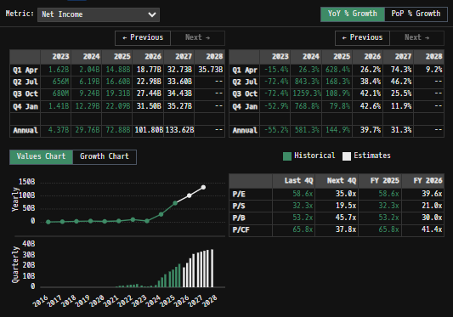
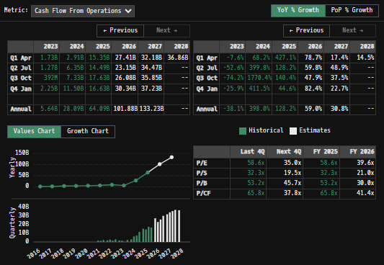

 | Notes: | [X]
 |  | [Y]
 |  | [Z]

Y/y Total Revenues, Net Income, FCF
(NVDA) Annualized Ttl Revenues, Net Income, Free Cash Flows (in $ millions)
 | Income |  | FCF |  | Revenues
Q1 2020 | -68 | Q1 2020 | 408 | 2009 | 3326
Q2 2020 | 253 | Q2 2020 | 577 | 2010 | 3543
Q3 2020 | 581 | Q3 2020 | 770 | 2011 | 3998
Q4 2020 | 562 | Q4 2020 | 642 | 2012 | 4280
Q1 2021 | 440 | Q1 2021 | 580 | 2013 | 4130
Q2 2021 | 631 | Q2 2021 | 784 | 2014 | 4682
Q3 2021 | 614 | Q3 2021 | 1089 | 2015 | 5010
Q4 2021 | 1666 | Q4 2021 | 1496 | 2016 | 6910
Q1 2022 | 3047 | Q1 2022 | 2909 | 2017 | 9714
Q2 2022 | 4141 | Q2 2022 | 3143 | 2018 | 11716
Q3 2022 | 2796 | Q3 2022 | 4272 | 2019 | 10918
Q4 2022 | 4332 | Q4 2022 | 4694 | 2020 | 16675
Q1 2023 | 9752 | Q1 2023 | 8132 | 2021 | 26914
Q2 2023 | 4368 | Q2 2023 | 3808 | 2022 | 26974
Q3 2023 | 29760 | Q3 2023 | 27021 | 2023 | 60922
Q4 2023 | 72880 | Q4 2023 | 60853 | 2024 | 130497
Q1 2024 |  | Q1 2024
Q2 2024 |  | Q2 2024
Q3 2024 |  | Q3 2024
Q4 2024 |  | Q4 2024
Q1 2025 |  | Q1 2025

 |  |  |  |  |  |  |  |  | Balance Sheet Scope:
 |  |  |  |  |  |  |  |  | [Godel Snapshot of projected balances (assets, liabilities, equity)]

 | Notes: | [X]
 |  | [Y]
 |  | [Z]

[NVDA] Historical Return Histogram (7/18/2025)
(NVDA) Historical Return Histogram + Normal Distribution Overlay

 |  | Min | -11.00%
 |  | Max | 15.61%
 |  | Mean μ | 0.10% |  |  |  |  |  | [Equity Preformance Compared to Peers]
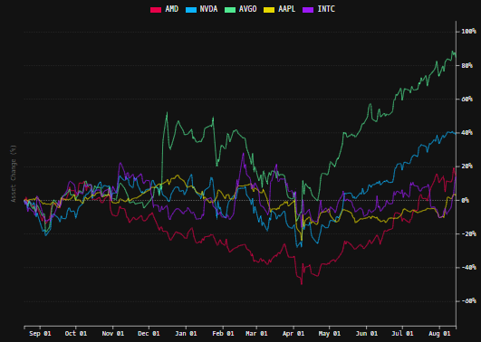
 |  | Median | 0.11%
 |  | SD σ | 2.69%
 |  | 3σ 1-Day Δ: ± | 8.07% |  | <- Sharpe Ratio (Risk Adjusted Return)
 |  | β (1-year avg.) | 2.12 |  | <- Sortino Ratio (Downside Risk Adjusted Return)

 | n = | 1,255
 | Histogram Data |  |  | Distribution Overlay |  |  | SD Lines
 | Bin | Frequency |  | (X) 1-Day Δ | (Y) Pop. Density |  | X | Y
 | -8.25% | 6 |  | -8.50% | 0.089632660934 | Mean | 0.10% | 0
 | -8.00% | 0 |  | -8.25% | 0.12010642761 |  | 0.10% | 15
 | -7.75% | 1 |  | -8.00% | 0.15955752782 | -3σ | -7.97% | 0
 | -7.50% | 2 |  | -7.75% | 0.21014518165 |  | -7.97% | 5
 | -7.25% | 0 |  | -7.50% | 0.2743927697 | -2σ | -5.28% | 0
 | -7.00% | 3 |  | -7.25% | 0.35520328952 |  | -5.28% | 7
 | -6.75% | 6 |  | -7.00% | 0.45586094203 | -1σ | -2.59% | 0
 | -6.50% | 0 |  | -6.75% | 0.58001453505 |  | -2.59% | 10
 | -6.25% | 5 |  | -6.50% | 0.73163834606 | 1σ | 2.79% | 0
 | -6.00% | 4 |  | -6.25% | 0.91496636744 |  | 2.79% | 10
 | -5.75% | 2 |  | -6.00% | 1.1343965329 | 2σ | 5.48% | 0
 | -5.50% | 1 |  | -5.75% | 1.3943626446 |  | 5.48% | 7
 | -5.25% | 3 |  | -5.50% | 1.6991733078 | 3σ | 8.17% | 0
 | -5.00% | 6 |  | -5.25% | 2.0528192132 |  | 8.17% | 5
 | -4.75% | 6 |  | -5.00% | 2.4587525272
 | -4.50% | 14 |  | -4.75% | 2.9196448317
 | -4.25% | 6 |  | -4.50% | 3.4371328374
 | -4.00% | 10 |  | -4.25% | 4.0115637582
 | -3.75% | 11 |  | -4.00% | 4.641754532
 | -3.50% | 14 |  | -3.75% | 5.3247807471
 | -3.25% | 16 |  | -3.50% | 6.0558119237
 | -3.00% | 23 |  | -3.25% | 6.8280094952
 | -2.75% | 13 |  | -3.00% | 7.6325022833
 | -2.50% | 19 |  | -2.75% | 8.4584513992
 | -2.25% | 23 |  | -2.50% | 9.2932123848
 | -2.00% | 38 |  | -2.25% | 10.122597199
 | -1.75% | 38 |  | -2.00% | 10.931232653
 | -1.50% | 39 |  | -1.75% | 11.703005483
 | -1.25% | 33 |  | -1.50% | 12.421577927
 | -1.00% | 40 |  | -1.25% | 13.070951912
 | -0.75% | 59 |  | -1.00% | 13.636055318
 | -0.50% | 59 |  | -0.75% | 14.103320673
 | -0.25% | 43 |  | -0.50% | 14.461225423
 | 0.00% | 59 |  | -0.25% | 14.700763812
 | 0.25% | 59 |  | 0.00% | 14.815823413
 | 0.50% | 53 |  | 0.25% | 14.803444335
 | 0.75% | 52 |  | 0.50% | 14.663945764
 | 1.00% | 46 |  | 0.75% | 14.40091229
 | 1.25% | 43 |  | 1.00% | 14.021040823
 | 1.50% | 48 |  | 1.25% | 13.533857242
 | 1.75% | 48 |  | 1.50% | 12.951319503
 | 2.00% | 39 |  | 1.75% | 12.287330289
 | 2.25% | 38 |  | 2.00% | 11.557186895
 | 2.50% | 32 |  | 2.25% | 10.776998671
 | 2.75% | 35 |  | 2.50% | 9.9631027906
 | 3.00% | 24 |  | 2.75% | 9.1315075307
 | 3.25% | 21 |  | 3.00% | 8.2973888055
 | 3.50% | 18 |  | 3.25% | 7.4746608044
 | 3.75% | 13 |  | 3.50% | 6.6756356711
 | 4.00% | 13 |  | 3.75% | 5.9107807836
 | 4.25% | 10 |  | 4.00% | 5.1885758234
 | 4.50% | 6 |  | 4.25% | 4.5154659481
 | 4.75% | 9 |  | 4.50% | 3.8959023626
 | 5.00% | 8 |  | 4.75% | 3.3324577027
 | 5.25% | 2 |  | 5.00% | 2.8260010332
 | 5.50% | 4 |  | 5.25% | 2.375915964
 | 5.75% | 6 |  | 5.50% | 1.9803453084
 | 6.00% | 3 |  | 5.75% | 1.6364466859
 | 6.25% | 2 |  | 6.00% | 1.3406452903
 | 6.50% | 6 |  | 6.25% | 1.0888724299
 | 6.75% | 1 |  | 6.50% | 0.87678115218
 | 7.00% | 2 |  | 6.75% | 0.69993304531
 | 7.25% | 2 |  | 7.00% | 0.55395294989
 | 7.50% | 0 |  | 7.25% | 0.43465066631
 | 7.75% | 1 |  | 7.50% | 0.33811069537
 | 8.00% | 1 |  | 7.75% | 0.26075254564
 | 8.25% | 1 |  | 8.00% | 0.199365173
 | More | 7 |  | 8.25% | 0.15111971287
 |  |  |  | 8.50% | 0.11356487689
...

